Sheet2
 | Sum of Insulin | Count of Id | Sum of BloodPressure
Grand Total
Row Labels | Sum of Insulin | Count of Id | Sum of BloodPressure
Grand Total

Sheet3
Row Labels | Count of Id
0 | 223
1 | 257
2 | 206
3 | 148
4 | 136
5 | 110
6 | 99
7 | 87
8 | 72
9 | 53
10 | 44
11 | 20
12 | 18
13 | 18
14 | 4
15 | 2
17 | 2
Grand Total | 1499

Sheet4
Sum of BMI | Column Labels
Row Labels | 0 | Grand Total
0 | 36.8 | 36.8
1 | 303.4 | 303.4
2 | 39.2 | 39.2
3 | 38.6 | 38.6
6 | 39.2 | 39.2
Grand Total | 457.2 | 457.2

Sheet5
 | 0 | 1
1 | 0
2 | 112
3 | 122
5 | 88 | 0
6 |  | 0
Sum of Glucose | Column Labels
Row Labels | 0 | 1 | Grand Total
1 | 0 |  | 0
2 | 112 |  | 112
3 | 122 |  | 122
5 | 88 | 0 | 88
6 |  | 0 | 0
Grand Total | 322 | 0 | 322

Sheet6
Count of Id | Column Labels
Row Labels | 0 | Grand Total
21 | 1 | 1
22 | 3 | 3
24 | 1 | 1
26 | 1 | 1
27 | 1 | 1
Grand Total | 7 | 7

dashboard creation
PREGNANCY
BMI
SKIN THICKNESS
INSULIN
DIABETES


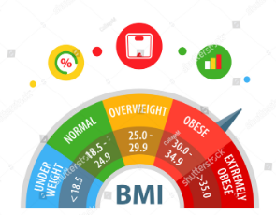
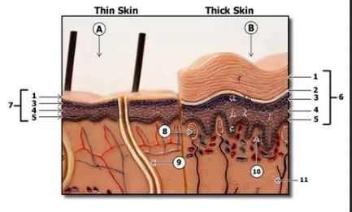
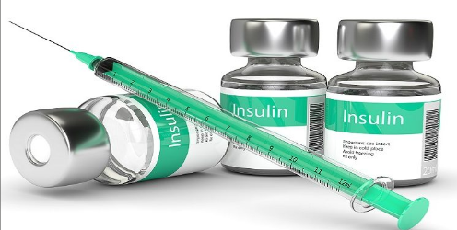
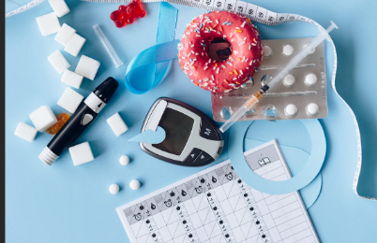

859
 | 0
21 | 1
22 | 3
24 | 1
26 | 1
27 | 1
 | 0 | 1
1 | 0
2 | 112
3 | 122
5 | 88 | 0
6 |  | 0

 | 0
0 | 36.8
1 | 303.4
2 | 39.2
3 | 38.6
6 | 39.2

 | Total
0 | 223
1 | 257
2 | 206
3 | 148
4 | 136
5 | 110
6 | 99
7 | 87
8 | 72
9 | 53
10 | 44
11 | 20
12 | 18
13 | 18
14 | 4
15 | 2
17 | 2
 | Sum of Insulin | Count of Id | Sum of BloodPressure
Grand Total

